Question 1
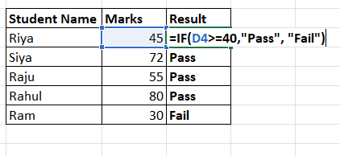
Question:1 | Write a formula to check if the marks in cell are greater than or equal to 40. If yes, return , "Pass", otherwise "Fail
Solution:1
 |  | Student Name | Marks | Result
 |  | Riya | 45 | Pass
 |  | Siya | 72 | Pass
 |  | Raju | 55 | Pass
 |  | Rahul | 80 | Pass
 |  | Ram | 30 | Fail

Question 5
Question:5 | A company has set the following commission structure for its sales team: If a salesperson achieves sales of ₹45,000, use the VLOOKUP function to determine the commission rate applicable.
Solution: 5 |  |  |  | 45000

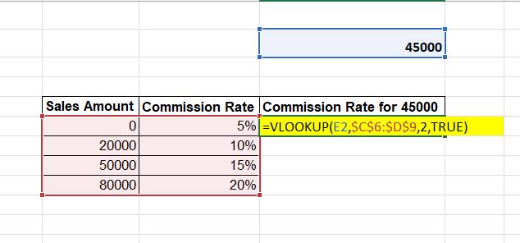
 |  | Sales Amount | Commission Rate | Commission Rate for 45000
 |  | 0 | 5% | 10%
 |  | 20000 | 10%
 |  | 50000 | 15%
 |  | 80000 | 20%

 |  |  |  | Finally , the applicable commison rate for a sales amount of 45000 is 10%.

Question 7
Question:7 | Find the salary of EmpID = E105 using INDEX-MATCH Function.
Solution: 7
 |  | EmpID | Salary
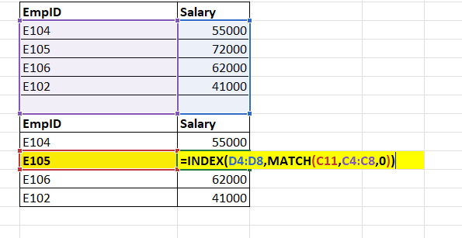
 |  | E104 | 55000
 |  | E105 | 72000
 |  | E106 | 62000
 |  | E102 | 41000

 |  | EmpID | Salary
 |  | E104 | 55000
 |  | E105 | 72000
 |  | E106 | 62000
 |  | E102 | 41000

Question 8
Question:8 | Use the XLOOKUP function to find the Department of the employee with Emp ID = E303.
Solution: 8

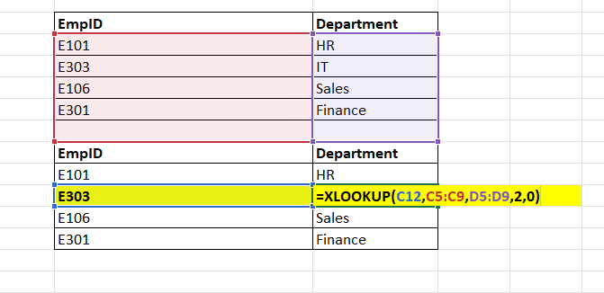
 |  | EmpID | Department
 |  | E101 | HR
 |  | E303 | IT
 |  | E106 | Sales
 |  | E301 | Finance

 |  | EmpID | Department
 |  | E101 | HR
 |  | E303 | IT
 |  | E106 | Sales
 |  | E301 | Finance

